Sheet1
 | MPE | MAPE | RMSE | MAE | Cost | Gamma | Epsilon | Degree
Liner SVR | 10.44% | 10.47% | 3724.40 | 3077.27 | 70 | 1 | 0.1
Polynomial SVR | -3.85% | 11.83% | 3954.43 | 3324.22 | 70 | 1 | 0.1 | 3
Gaussian Radial SVR | 0.82% | 4.78% | 1597.00 | 1357.06 | 70 | 1 | 0.1

 | MAPE | RMSE | AIC | BIC
ARIMA (1,1,1) | 8.36% | 0.0114 | -11992.58 | -11987
ARIMA (1,1,0) | 8.36% | 0.0114 | -11991.5 | -11980.33

 | First order difference series
p-value with 5 lags Ljung-Box test | 0.90
p-value with 15 lags Ljung-Box test | 0.09
p-value with 30 lags Ljung-Box test | 0.17

 |  |  |  |  |  |  |  | Variance | AIC | BIC
 | MAPE | RMSE | MAE |  |  |  | ARIMA (0,1,0) | 0.00013 | -11992.58 | -11987
Gaussian Radial SVR for 6 months | 2.60% | 1119.645 | 819.019 |  |  |  | ARIMA (1,1,0) | 0.00013 | -11991.5 | -11980.3
Gaussian Radial SVR for 1 years | 3.64% | 1338.59 | 1078.255
Gaussian Radial SVR for 2 years | 4.78% | 1597.00 | 1357.06
ARIMA(0,1,0) for 6 months | 3.44% | 1342.01 | 1084.24
ARIMA(0,1,0) for 1 years | 7.39% | 2449.88 | 2035.45
ARIMA(0,1,0) for 2 years | 8.07% | 2553.45 | 2194.70

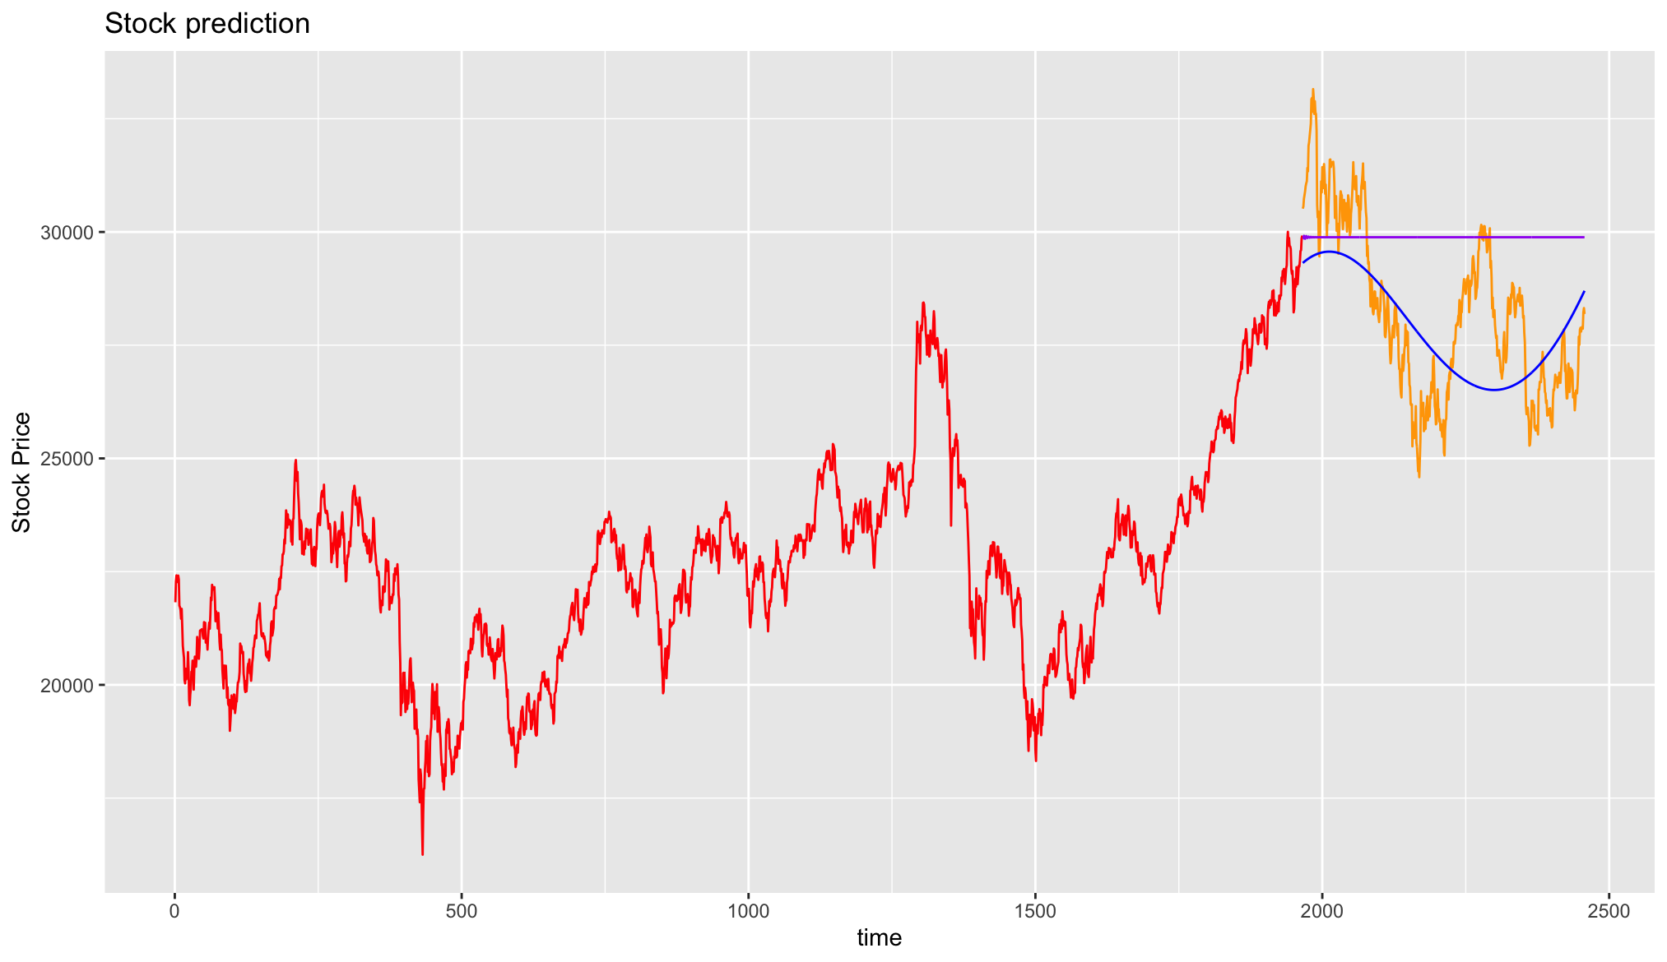

 |  |  |  |  |  |  |  |  | ARIMA (0,1,0)
 |  |  |  |  |  |  |  | p-value with 5 lags Ljung-Box test | 0.87
 |  |  |  |  |  |  |  | p-value with 15 lags Ljung-Box test | 0.1
 |  |  |  |  |  |  |  | p-value with 30 lags Ljung-Box test | 0.09

 | MAPE | RMSE | MAE
Gaussian Radial SVR for 6 months | 2.60% | 1119.65 | 819.02
Gaussian Radial SVR for 1 years | 3.64% | 1338.59 | 1078.26
Gaussian Radial SVR for 2 years | 4.78% | 1597 | 1357.06
ARIMA (0,1,0) for 6 months | 3.44% | 1342.01 | 1084.24
ARIMA (0,1,0) for 1 years | 7.39% | 2449.88 | 2035.45
ARIMA (0,1,0) for 2 years | 8.07% | 2553.45 | 2194.7

